Question 1
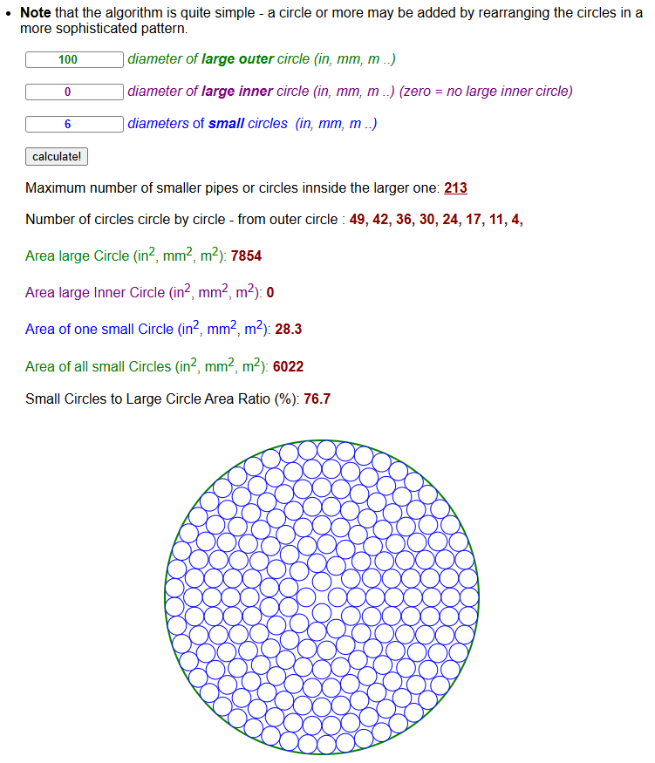
a)
 | Q_total | 90 | L/min
 |  | 0.0015 | m3/s
 | Water density | 1000 | kg/m3
 | Water viscosity | 0.0013 | Pa*s

According to
https://www.engineeringtoolbox.com/smaller-circles-in-larger-circle-d_1849.html
213 drinking straws can fit inside the PVC pipe (see screenshot)

According to the assumption that "no flow goes in the gap between the straws"

 | Flow rate in each straw: | 7.0422535211E-06 | m3/s

 | straw diameter | 0.006 | m
 | Cross-sectional area of straw: | 2.8274333882E-05 | m2

 | Average velocity in each straw: | 0.24906876853 | m/s

 | Reynolds number inside straw | 1150

 |  | Since Re < 2300, the flow is laminar!!

b)
In the absence of drinking straws:

 | PVP pipe diameter | 0.1 | m
 | Cross-sectional area of PVC pipe: | 0.007853981634 | m2

 | Average velocity in PVC pipe: | 0.19098593171 | m/s

 | Reynolds number inside PVC pipe: | 14691

 |  | Since Re > 4000, the flow is turbulent!!

Question 2
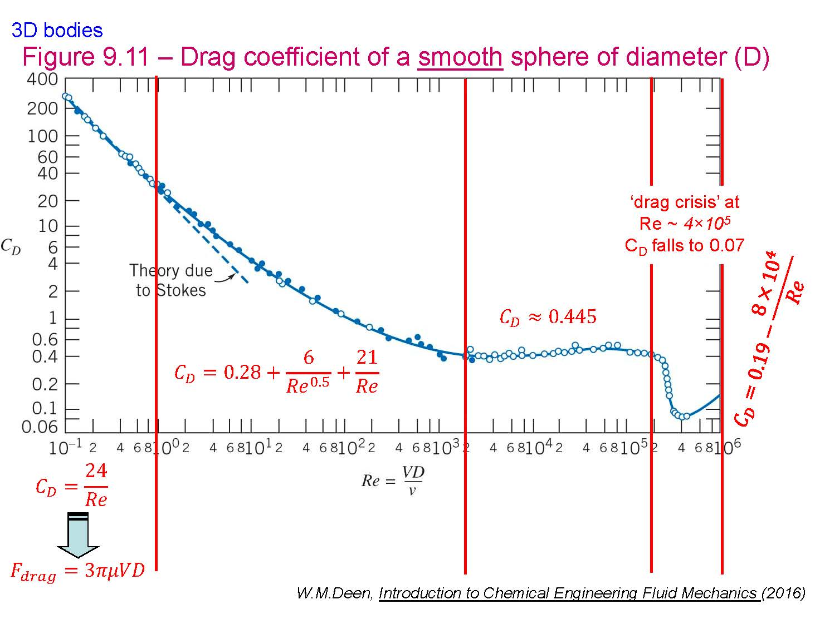
Sand |  | diameter | 1 | mm |  | diameter | 1 | mm
 |  |  | 0.001 | m |  |  | 0.001 | m
 |  | density | 2300 | kg/m^3 |  | density | 2300 | kg/m^3

Air @ 20 C |  | density | 1.21 | kg/m^3 |  | density | 1.21 | kg/m^3
 |  | viscosity | 1.81E-05 | Pa*s |  | viscosity | 1.81E-05 | Pa*s
 |  | kinematic viscosity | 1.50E-05 | m^2/s |  | kinematic viscosity | 1.50E-05 | m^2/s

 | Guess | Cd | 0.445 |  | Guess | Cd | 200

 |  | Vt^2 | 55.84 |  |  | Vt^2 | 0.12
 |  | Vt | 7.47 | m/s |  | Vt | 0.35 | m/s

 |  | Reynolds number | 500 |  |  | Reynolds number | 24

 | Calculate new | Cd | 0.59 |  | Calculate new | Cd | 2.41

 |  | Vt^2 | 42.08 |  |  | Vt^2 | 10.32
 |  | Vt | 6.49 | m/s |  | Vt | 3.21 | m/s

 |  | Reynolds number | 434 |  |  | Reynolds number | 215

 | Calculate new | Cd | 0.62 |  | Calculate new | Cd | 0.79

 |  | Vt^2 | 40.31 |  |  | Vt^2 | 31.57
 |  | Vt | 6.35 | m/s |  | Vt | 5.62 | m/s

 |  | Reynolds number | 424 |  |  | Reynolds number | 376

 | Calculate new | Cd | 0.62 |  | Calculate new | Cd | 0.65

 |  | Vt^2 | 40.03 |  |  | Vt^2 | 38.50
 |  | Vt | 6.33 | m/s |  | Vt | 6.20 | m/s

 |  | Reynolds number | 423 | STOP (since very close to previous Reynolds number value 424) |  | Reynolds number | 415

 |  |  |  |  | Calculate new | Cd | 0.63

 |  |  |  |  |  | Vt^2 | 39.74
 |  |  |  |  |  | Vt | 6.30 | m/s

 |  |  |  |  |  | Reynolds number | 421

 |  |  |  |  | Calculate new | Cd | 0.62

 |  |  |  |  |  | Vt^2 | 39.95
 |  |  |  |  |  | Vt | 6.32 | m/s

 |  |  |  |  |  | Reynolds number | 423 | STOP (since very close to previous Reynolds number value 421)

